Dashboard
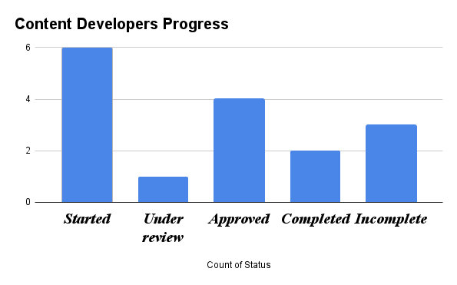
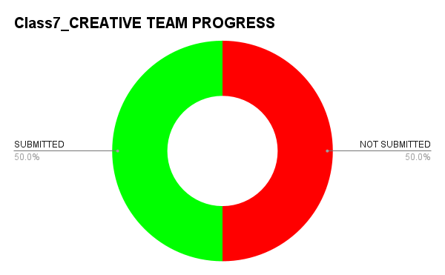
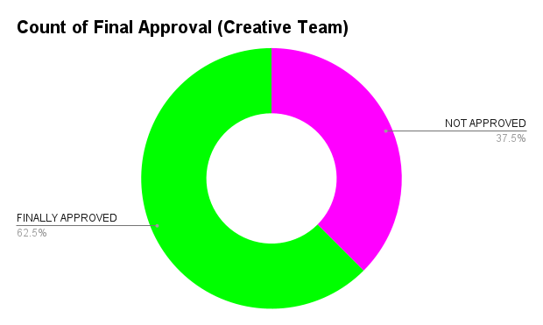

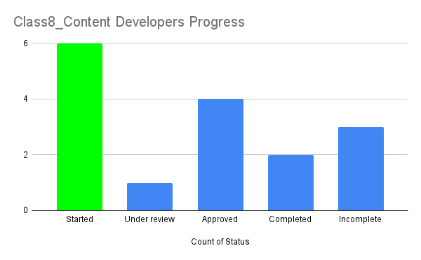


Class7_Content Developers
CONTENT DEVELOPERS
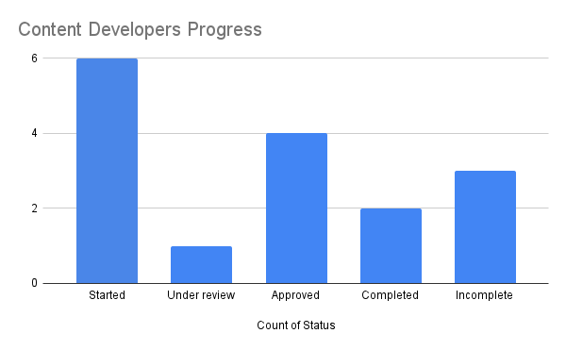

Task Name | Delegated to | Root file Link | Status | Remarks | Deadline
Chapter 1- Real Numbers | Tannima Akter |  | Started | aro bhalo likho
 | Maruf Ahmed Shishir |  | Started
 | Tannima Akter |  | Started
 | Maruf Ahmed Shishir |  | Started
 | Adiba Binte Salek |  | Started
 | Tannima Akter |  | Under review
 |  |  | Approved
 |  |  | Approved
 |  |  | Completed
 |  |  | Incomplete
 |  |  | Incomplete
 |  |  | Completed
 |  |  | Started
 |  |  | Incomplete
 |  |  | Approved
 |  |  | Approved

Creative_Team
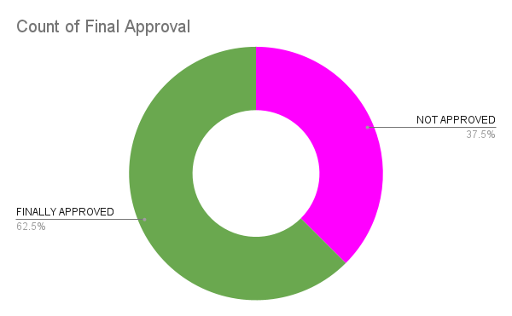
CREATIVE TEAM

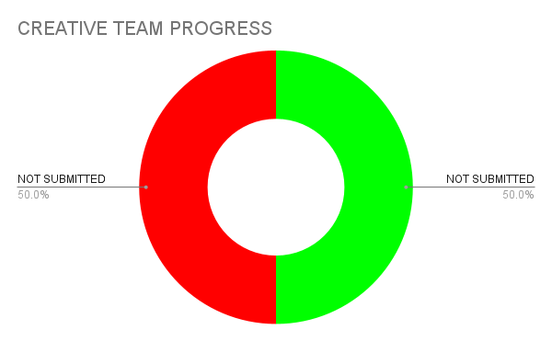
Task Name | Delegated to | Root file Link | Status | Deadline | Remarks | Final Approval
Banner Creation | Adiba Binte Salek | https://docs.google.com/spreadsheets/d/1WNECxQf4QgtXD2EBgDzF85KslCGE_Vyh1Mp_iSdaT4w/edit?gid=241302762#gid=241302762 | TRUE |  |  | TRUE | SUBMITTED | NOT SUBMITTED
Scanner Creation | Maruf Ahmed Shishir | https://docs.google.com/spreadsheets/d/1WNECxQf4QgtXD2EBgDzF85KslCGE_Vyh1Mp_iSdaT4w/edit?gid=241302762#gid=241302762 | TRUE |  |  | TRUE | 8 | 8
Logo | Tannima Akter | https://docs.google.com/spreadsheets/d/1WNECxQf4QgtXD2EBgDzF85KslCGE_Vyh1Mp_iSdaT4w/edit?gid=241302762#gid=241302762 | FALSE |  |  | FALSE
Digging | Adiba Binte Salek | https://docs.google.com/spreadsheets/d/1WNECxQf4QgtXD2EBgDzF85KslCGE_Vyh1Mp_iSdaT4w/edit?gid=241302762#gid=241302763 | TRUE |  |  | TRUE
Horse Creation | Adiba Binte Salek | https://docs.google.com/spreadsheets/d/1WNECxQf4QgtXD2EBgDzF85KslCGE_Vyh1Mp_iSdaT4w/edit?gid=241302762#gid=241302764 | TRUE |  |  | TRUE
Zone | Adiba Binte Salek | https://docs.google.com/spreadsheets/d/1WNECxQf4QgtXD2EBgDzF85KslCGE_Vyh1Mp_iSdaT4w/edit?gid=241302762#gid=241302765 | FALSE |  |  | FALSE
Stone Creation | Maruf Ahmed Shishir | https://docs.google.com/spreadsheets/d/1WNECxQf4QgtXD2EBgDzF85KslCGE_Vyh1Mp_iSdaT4w/edit?gid=241302762#gid=241302766 | FALSE |  |  | FALSE
Banner Creation | Adiba Binte Salek | https://docs.google.com/spreadsheets/d/1WNECxQf4QgtXD2EBgDzF85KslCGE_Vyh1Mp_iSdaT4w/edit?gid=241302762#gid=241302767 | TRUE |  |  | FALSE
Banner Creation | Tannima Akter | https://docs.google.com/spreadsheets/d/1WNECxQf4QgtXD2EBgDzF85KslCGE_Vyh1Mp_iSdaT4w/edit?gid=241302762#gid=241302768 | FALSE |  |  | FALSE
Scanner Creation | Adiba Binte Salek | https://docs.google.com/spreadsheets/d/1WNECxQf4QgtXD2EBgDzF85KslCGE_Vyh1Mp_iSdaT4w/edit?gid=241302762#gid=241302769 | TRUE |  |  | FALSE
Logo | Adiba Binte Salek | https://docs.google.com/spreadsheets/d/1WNECxQf4QgtXD2EBgDzF85KslCGE_Vyh1Mp_iSdaT4w/edit?gid=241302762#gid=241302770 | FALSE |  |  | FALSE
Digging | Tannima Akter | https://docs.google.com/spreadsheets/d/1WNECxQf4QgtXD2EBgDzF85KslCGE_Vyh1Mp_iSdaT4w/edit?gid=241302762#gid=241302771 | FALSE |  |  | FALSE
Horse Creation | Adiba Binte Salek | https://docs.google.com/spreadsheets/d/1WNECxQf4QgtXD2EBgDzF85KslCGE_Vyh1Mp_iSdaT4w/edit?gid=241302762#gid=241302772 | FALSE |  |  | FALSE
Zone | Tannima Akter | https://docs.google.com/spreadsheets/d/1WNECxQf4QgtXD2EBgDzF85KslCGE_Vyh1Mp_iSdaT4w/edit?gid=241302762#gid=241302773 | FALSE |  |  | FALSE | SUBMISSION PERCENTAGE
Stone Creation | Adiba Binte Salek | https://docs.google.com/spreadsheets/d/1WNECxQf4QgtXD2EBgDzF85KslCGE_Vyh1Mp_iSdaT4w/edit?gid=241302762#gid=241302774 | TRUE |  |  | TRUE | 50.00%
Banner Creation | Tannima Akter | https://docs.google.com/spreadsheets/d/1WNECxQf4QgtXD2EBgDzF85KslCGE_Vyh1Mp_iSdaT4w/edit?gid=241302762#gid=241302775 | TRUE |  |  | TRUE

